Sheet1
Year | 2018 | Source info
no. of wnv cases in chicago | 176 | https://www.cdc.gov/westnile/statsmaps/cumMapsData.html#one
Mean cost per case averted for year 2018 (USD) | 38,000 | Ref: “Cost effectiveness of a targeted age-based West Nile virus vaccination program” by Shankar, et al. Elsevier public health journal, May 2017
Total cost averted if Wnv eliminated (USD) | 6688000

Pesticide Info
Type | Zenivex | https://www.dnainfo.com/chicago/20160907/north-park/city-spray-north-park-for-mosquitoes-wednesday
Cost of pesticide (USD) per 30 gallon barrel | 10800 | https://www.forestrydistributing.com/aqua-zenivex-e20-ulv-insecticide-zeocon
Budget allocated for Public Health | 5235000 | https://www.chicago.gov/content/dam/city/depts/obm/supp_info/2018Budget/2018_Budget_Overview.pdf

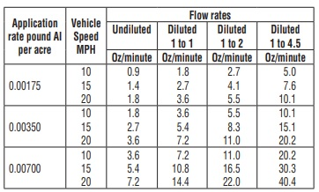
total AI per barrel ( 1.48 lbs Etofenprox per gallon) | 44.4
Application rate pound Active Ingredient per acre (AI/acre) | 0.007
Coverage per barrel (acre) | 6343

proposed area 1 Lat 42.05 to 41.9 Lon -87.9 to -87.62 (acre) | 128000
proposed area 2 Lat 41.79 to 41.68 Lon -87.75 to -87.6 (acre) | 35200
Recommended area coverage for spraying (total acre) | 163200

Expected cost per target area spray | 277881
Available runs given budget (Assuming half allocated for spraying) | 9

Recommended frequency 3 in Jul, 3 Aug, 3 Sep

